Script
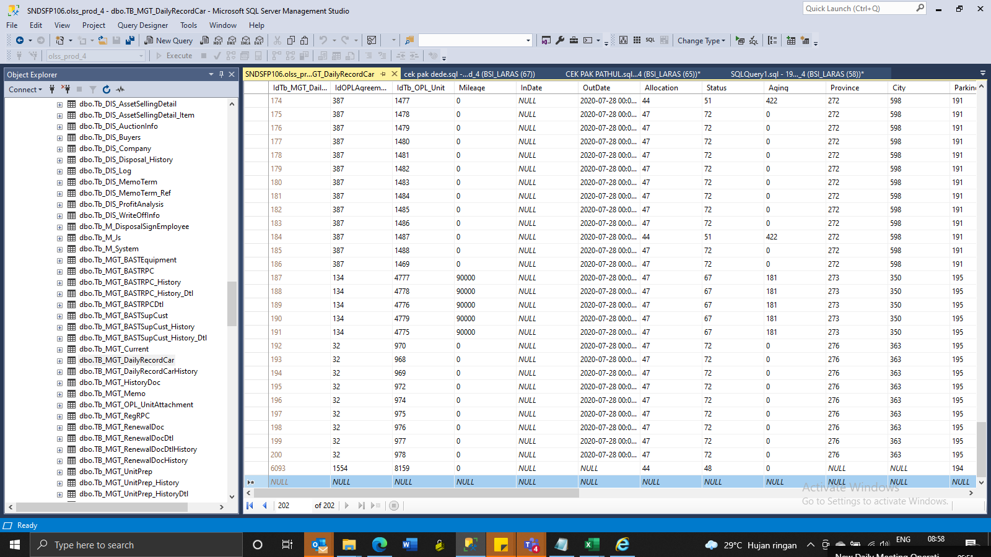
update tb_mgt_historydoc set IsDelete = 0, RemarksSys = ISNULL (RemarksSys, ' ') + ' S0254221 ' where idtb_mgt_historydoc in (32240, 32984)

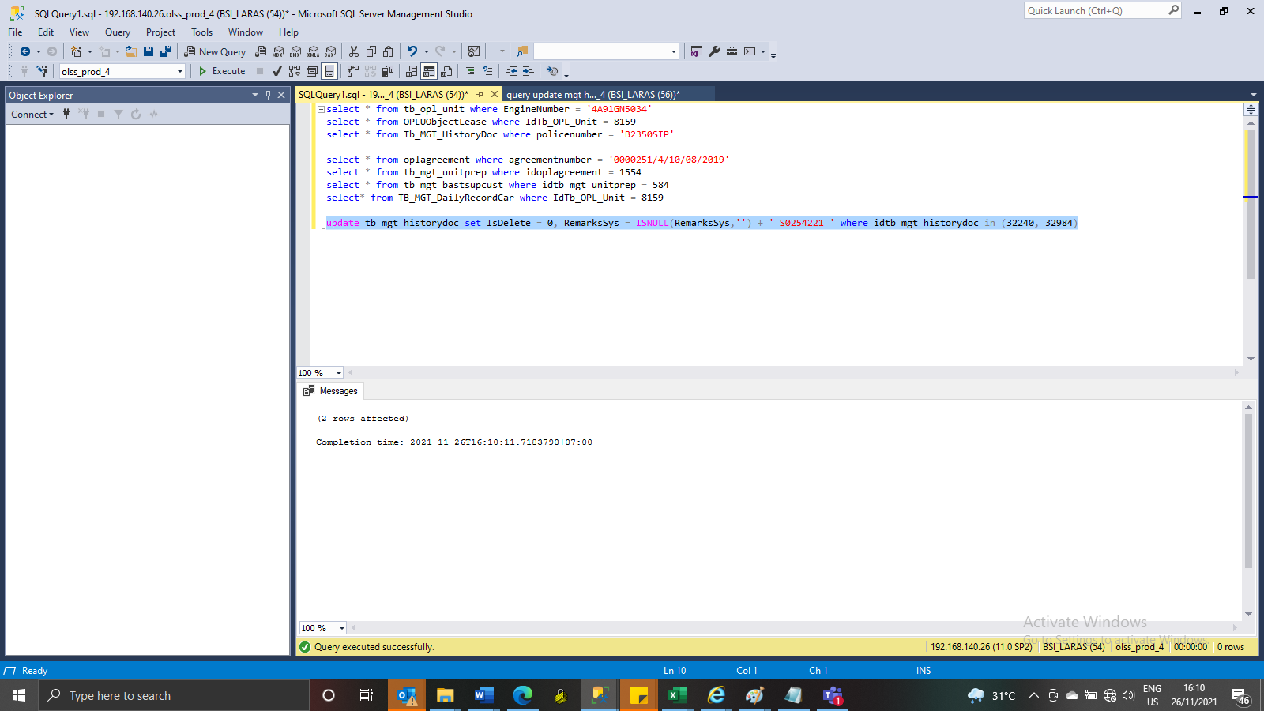

INSERT TB_MGT_DailyRecordCar

SS
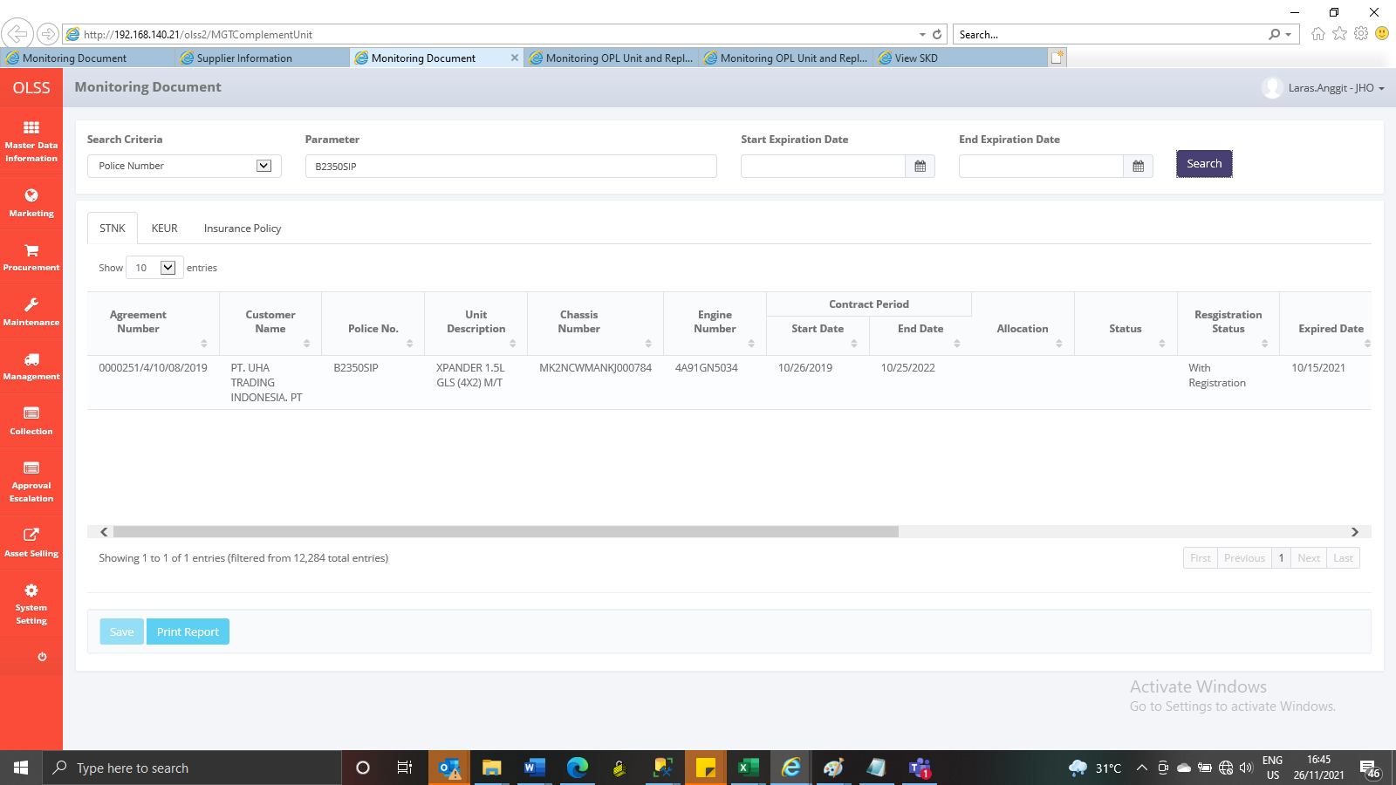
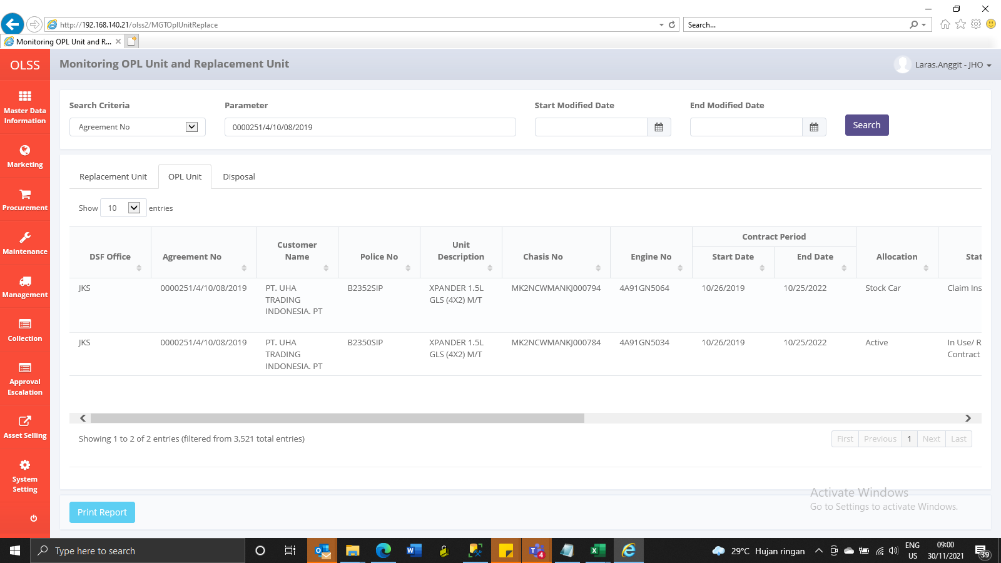
Before
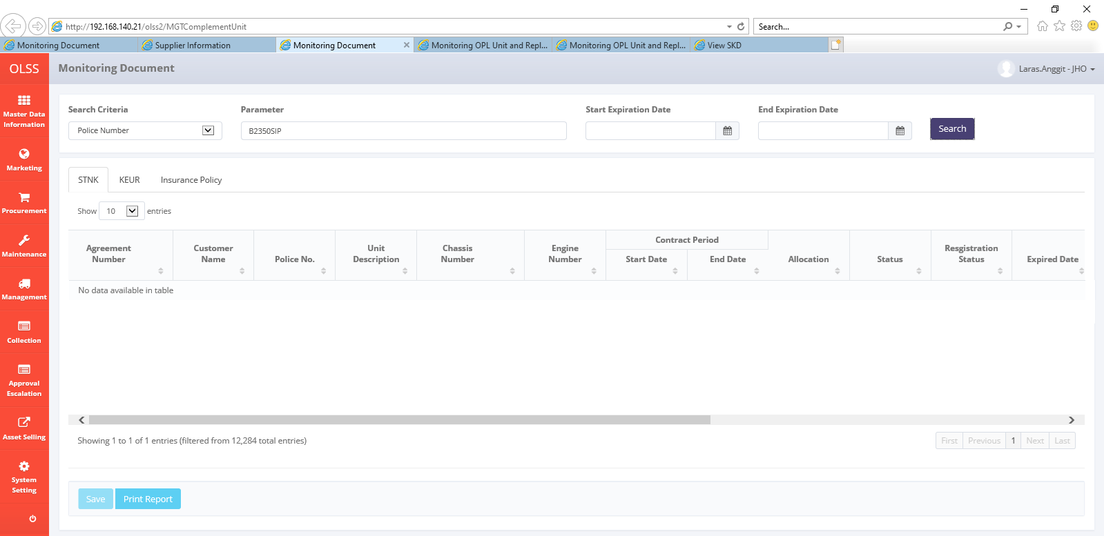



After

